Sheet1
Good Care for Psoriatic Arthritis Social Media Schedule
Date | Post | Image | Facebook | LinkedIn | Instagram | Twitter | Count
 | Survey
 | Checklist |  | Did you know that May is dedicated to raising awareness about Psoriatic Arthritis? Together with GRAPPA [TAG] IFPA is proud to introduce the Good Care for Psoriatic Artirtits Campaign which includes useful resources and guidelines such as the Checklist which we hope will empower patients with PsA with useful information and preparation when visiting a healthcare professional. Let's share this important resource and empower others to access the best care possible. Find our more: [website] | Did you know that May is dedicated to raising awareness about Psoriatic Arthritis? Together with GRAPPA [TAG] IFPA is proud to introduce the Good Care for Psoriatic Artirtits Campaign which includes useful resources and guidelines such as the Checklist which we hope will empower patients with PsA with useful information and preparation when visiting a healthcare professional. Let's share this important resource and empower others to access the best care possible. Find our more: [website] #[INCLUDE] | Did you know that May is dedicated to raising awareness about Psoriatic Arthritis? Together with GRAPPA [TAG] IFPA is proud to introduce the Good Care for Psoriatic Artirtits Campaign which includes useful resources and guidelines such as the Checklist which we hope will empower patients with PsA with useful information and preparation when visiting a healthcare professional. Let's share this important resource and empower others to access the best care possible. Find our more: [website] #[INCLUDE] | Together with GRAPPA [TAG] IFPA is proud to introduce the Good Care for Psoriatic Artirtits Campaign which includes useful resources and guidelines such as the Checklist. Find our more: [website] #[INCLUDE] | 208
 | Survey
 | Karina | Video link | Meet Karina from Peru sharing her story and journey with psoriasis and psoriatic arthritis. Visit our [website] to find all the Good Care for Psoriatic Artirits resources and helpful information that IFPA has prepared together with GRAPPA [tag] to empower and help patients on their journey with PsA. | Meet Karina from Peru sharing her story and journey with psoriasis and psoriatic arthritis. Visit our [website] to find all the Good Care for Psoriatic Artirits resources and helpful information that IFPA has prepared together with GRAPPA [tag] to empower and help patients on their journey with PsA. #[INCLUDE] | Meet Karina from Peru sharing her story and journey with psoriasis and psoriatic arthritis. Visit our [website] to find all the Good Care for Psoriatic Artirits resources and helpful information that IFPA has prepared together with GRAPPA [tag] to empower and help patients on their journey with PsA. #[INCLUDE] | Meet Karina from Peru sharing her story and journey with psoriasis and psoriatic arthritis. Visit [website] to find all the Good Care for Psoriatic Artirits resources and helpful information that IFPA has prepared together with GRAPPA [tag] to help PsA patients. #[INCLUDE] | 276
 | Guidelines | 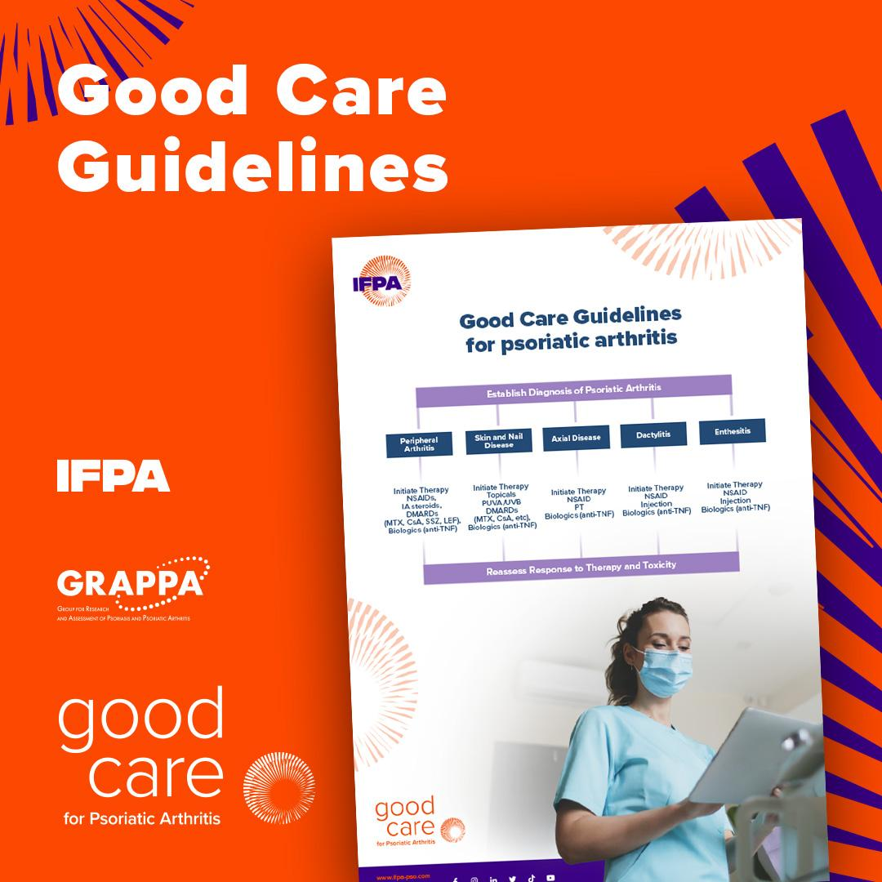 | We're thrilled to announce the release of the Good Care Guidelines for Psoriatic Arthritis created together with GRAPPA [TAG]! These guidelines provide evidence-based recommendations for patients, aiming to enhance care and improve quality of life. Visit [website] to find all the resources and useful information. | We're thrilled to announce the release of the Good Care Guidelines for Psoriatic Arthritis created together with GRAPPA [TAG]! These guidelines provide evidence-based recommendations for patients, aiming to enhance care and improve quality of life. Visit [website] to find all the resources and useful information. #[INCLUDE] | We're thrilled to announce the release of the Good Care Guidelines for Psoriatic Arthritis created together with GRAPPA [TAG]! These guidelines provide evidence-based recommendations for patients, aiming to enhance care and improve quality of life. Visit [website] to find all the resources and useful information. #[INCLUDE] | We're thrilled to announce the release of the Good Care Guidelines for Psoriatic Arthritis created together with GRAPPA [TAG]! These guidelines provide evidence-based recommendations for patients, aiming to enhance care and improve quality of life. [website] #[INCLUDE] | 273
 | Survey
 | Joel | Video link | Watch Joel from the United Kingdom, as he shares his perspective on his journey following his diagnosis of psoriasis and psoriatic arthritis. For additional resources and information on Good Care for Psoriatic Arthritis, visit [website]. There, you can explore a wealth of valuable content prepared by IFPA in partnership with GRAPPA [tag]. | Watch Joel from the United Kingdom, as he shares his perspective on his journey following his diagnosis of psoriasis and psoriatic arthritis. For additional resources and information on Good Care for Psoriatic Arthritis, visit [website]. There, you can explore a wealth of valuable content prepared by IFPA in partnership with GRAPPA [tag]. #[INCLUDE] | Watch Joel from the United Kingdom, as he shares his perspective on his journey following his diagnosis of psoriasis and psoriatic arthritis. For additional resources and information on Good Care for Psoriatic Arthritis, visit [website]. There, you can explore a wealth of valuable content prepared by IFPA in partnership with GRAPPA [tag]. #[INCLUDE] | Watch Joel from the United Kingdom, as he shares his perspective on his journey following his diagnosis of psoriasis and psoriatic arthritis. For additional resources on Good Care for Psoriatic Arthritis by IFPA and GRAPPA [tag], visit [website]. #[INCLUDE] | 260
 | Article | 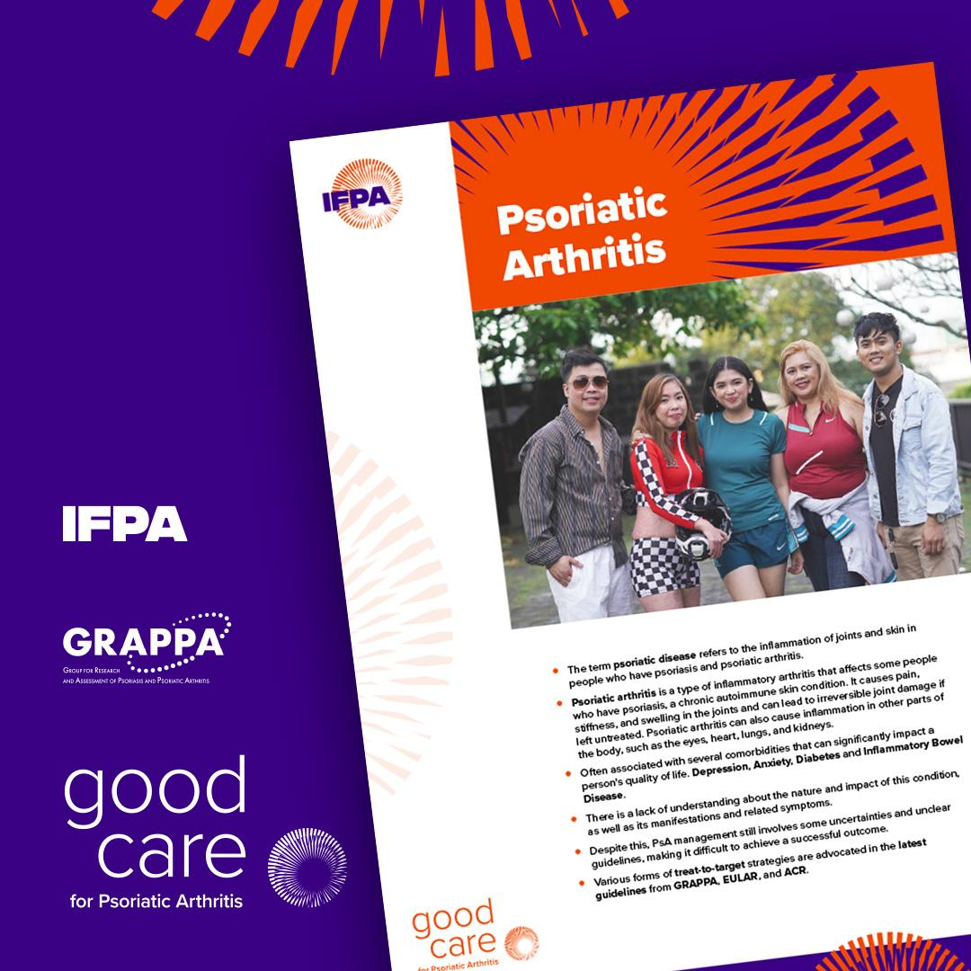 | We know that there is a lack of understanding about the nature and impact of this condition, as well as its manifestations and related symptoms. Despite this, PsA management still involves some uncertainties and unclear guidelines, making it difficult to achieve a successful outcome. That's why IFPA partnered with GRAPPA [tag] on creating these newly launched Good Care for Psoriatic Arthritis resources that aim to provide essential information for patients suffering from PsA. Explore the Good Care Guidelines today and let's raise awareness for Good Care for Psortiaci Artririts. [website] | We know that there is a lack of understanding about the nature and impact of this condition, as well as its manifestations and related symptoms. Despite this, PsA management still involves some uncertainties and unclear guidelines, making it difficult to achieve a successful outcome. That's why IFPA partnered with GRAPPA [tag] on creating these newly launched Good Care for Psoriatic Arthritis resources that aim to provide essential information for patients suffering from PsA. Explore the Good Care Guidelines today and let's raise awareness for Good Care for Psortiaci Artririts. [website] #[INCLUDE] | We know that there is a lack of understanding about the nature and impact of this condition, as well as its manifestations and related symptoms. Despite this, PsA management still involves some uncertainties and unclear guidelines, making it difficult to achieve a successful outcome. That's why IFPA partnered with GRAPPA [tag] on creating these newly launched Good Care for Psoriatic Arthritis resources that aim to provide essential information for patients suffering from PsA. Explore the Good Care Guidelines today and let's raise awareness for Good Care for Psortiaci Artririts. [website] #[INCLUDE] | IFPA partnered with GRAPPA [tag] on creating these newly launched Good Care for Psoriatic Arthritis resources that aim to provide essential information for patients suffering from PsA. Explore the Good Care Guidelines today and let's raise awareness together! [website] #[INCLUDE] | 283

